Futures
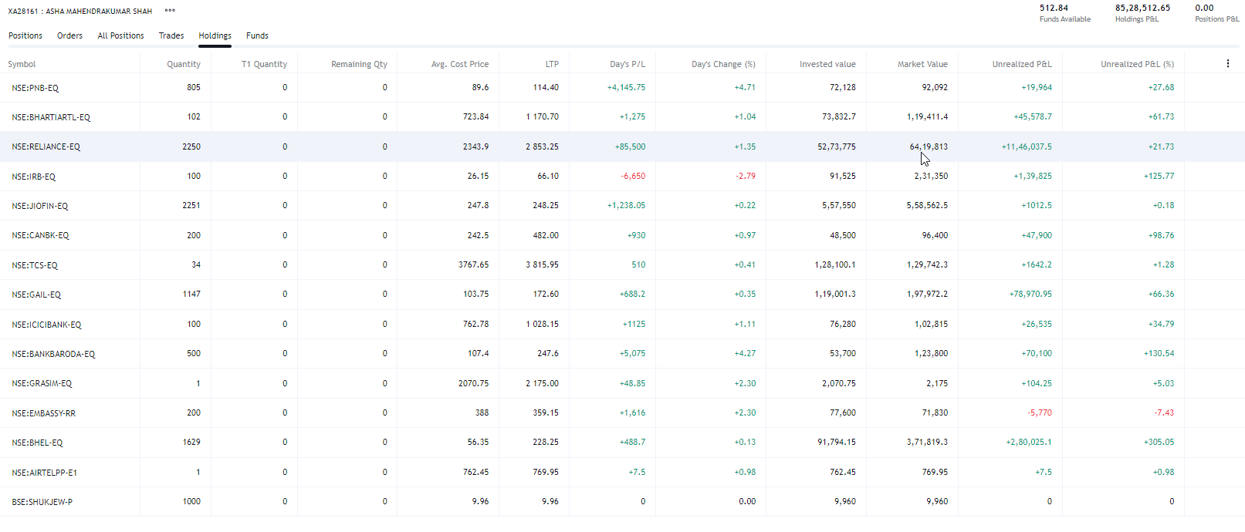
 |  |  |  |  |  |  |  |  |  | 2014-15 | 26-Jul-14
 |  |  |  |  |  |  |  |  |  | 2015-16 | 4th Sep 2015
 |  |  |  |  |  |  |  |  |  | 2016-17 | 28th july 2016 |  |  |  |  |  | jigi | dad | pratik | asha | bhabhi | vishal | nimu
 |  |  |  |  |  |  |  |  |  | 17-18 | 28th july 2017 |  |  |  |  |  | bom | rent | salary | dividend | fd | dividend | interest
 |  |  |  |  |  |  |  |  |  | 18-19 | 22-Aug-18 |  |  |  |  |  | hdfc | office rent | fno | mf | saving interest | fd | FD
 |  |  |  |  |  |  |  |  |  | 19-20 | 28-Aug-19 |  |  |  |  |  |  | dividend | diviend | fd | kotak | savings
Vest Period | Vest Date | Release Date | Sellable Qty. | Pending Sale Qty. | Est. Cost Basis (per share) | Est. Market Value |  |  |  | 20-21 | 23rd dec 2020 |  |  |  |  |  | fno | fd | nps | rent | surat flat | ppf
1 | 2021-02-06 | 2021-02-06 | 3 | 0 | $429.81 | $1,680.72 |  |  |  | 21-22 | 11-Dec-21 |  |  |  |  |  | lic | fno | monarch | ppf | ppf | cash in hand
View Confirmation Of Release |  |  |  |  |  |  |  |  |  | 22-23 | j30 jul 2022 |  |  |  |  |  | ppf | mf | stock options | fyers | cash in hand
View Gain/Loss Information |  |  |  |  |  |  |  |  |  |  |  |  |  |  |  |  | business | ltcg monarch | ltcg | cash in hand
2 | 2022-02-06 | 2022-02-06 | 3 | 0 | $554.71 | $1,680.72 |  |  |  |  |  |  |  |  |  |  | interest | entry | foreign assets ESOPs
View Confirmation Of Release |  |  |  |  |  |  |  |  |  |  |  |  |  |  |  |  | surat flat | ppf | epf interest
View Gain/Loss Information |  |  |  |  |  |  |  |  |  |  |  |  |  |  |  |  | prof tax | fyers | personal interest
3 | 2023-02-06 | 2023-02-06 | 3 | 0 | $553.40 | $1,680.72 |  |  |  |  |  |  |  |  |  |  | cash in hand | cash in hand | cash in hand
View Confirmation Of Release
View Gain/Loss Information
 |  |  |  |  |  | 8262733 |  |  |  |  | NACH CR INW - AWBPS3883J-AY2020-21 2201188852 MA |  | CR | 79,200.00
 |  |  |  |  |  | 512391
 |  |  |  |  |  | 272,093.11 |  |  |  |  | dividend |  |  | 283302.77
 |  |  |  |  |  | 300000

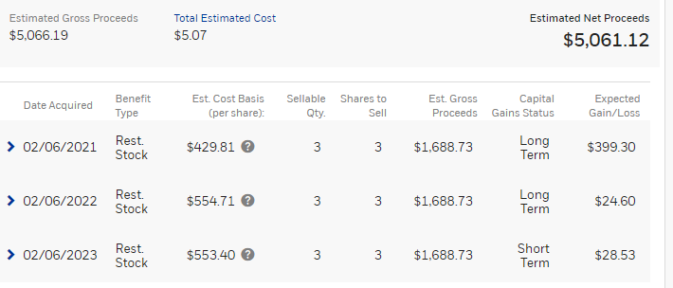
 |  |  |  |  |  |  |  |  |  |  | PPF interest
 |  |  |  |  |  |  |  |  |  |  |  |  |  |  |  |  |  |  | 103600 | 53 | 5490800
 |  |  |  |  |  |  |  |  |  |  |  |  |  |  |  |  |  |  | 40600 | 93 | 3775800
 |  |  |  |  |  |  |  |  |  |  |  |  |  |  |  |  |  |  | 27250 | 398 | 10845500
 |  |  |  |  |  |  |  |  |  |  |  |  |  |  |  |  |  |  |  | 0 | 0
 |  |  |  |  |  |  |  |  |  |  |  |  |  |  |  |  |  |  |  |  | 20112100

 |  |  |  |  |  |  |  |  |  |  |  |  |  | cp
 |  |  |  |  |  |  |  |  |  |  |  | 3 | 429.81 | 104443.83 | 136787.13 | 32343.3
 |  |  |  |  |  |  |  |  |  |  |  | 3 | 554.71 | 134794.53 | 136787.13 | 1992.6
 |  |  |  |  |  |  |  |  |  |  |  | 3 | 553.4 | 134476.2 | 136787.13 | 2310.93

 |  |  |  |  |  |  |  |  |  |  |  |  |  |  |  |  | gneral | not option
 |  |  |  |  |  |  |  |  |  |  |  |  |  |  |  |  | local taxes | 32400
 |  |  |  |  |  |  |  |  |  |  |  |  |  |  |  | 80d | one of parent senior citizen | no
 |  |  |  |  |  |  |  |  |  |  |  |  |  |  |  | 80ttb

 |  |  |  |  |  |  |  |  |  |  |  |  |  |  |  | change email address
 |  |  |  |  |  |  |  |  |  |  |  |  |  |  |  | p&l | liability bank remove

 |  | agv price | inv value | ltp | market value | net | % |  |  |  |  |  | agv price | inv value | ltp | market value | net | %
tcs | 34 | 3767.65 | 128100.1 | 3870.2 | 131586.8 | 3486.7 | 2.7218557987 |  |  |  | tcs | 34 | 3767.65 | 128100.1 | 3870.2 | 131586.8 | 3486.7 | 2.7218557987
bhel | 1629 | 56.35 | 91794.15 | 276.9 | 451070.1 | 359275.95 | 391.39307897 |  |  |  | bhel | 4800 | 56.35 | 270480 | 276.9 | 1329120 | 1058640 | 391.39307897
gail | 1147 | 103.75 | 119001.25 | 209.55 | 240353.85 | 121352.6 | 101.97590361 |  |  |  | jp power | 1147 | 103.75 | 119001.25 | 209.55 | 240353.85 | 121352.6 | 101.97590361
irb | 3500 | 26.15 | 91525 | 68.95 | 241325 | 149800 | 163.67112811 |  |  |  | tata steel | 3500 | 26.15 | 91525 | 68.95 | 241325 | 149800 | 163.67112811
icicibank | 100 | 762.8 | 76280 | 1160.15 | 116015 | 39735 | 52.090980598 |  |  |  | icicibank | 100 | 762.8 | 76280 | 1160.15 | 116015 | 39735 | 52.090980598
bankbaroda | 500 | 107.4 | 53700 | 272.6 | 136300 | 82600 | 153.81750466 |  |  |  | bankbaroda | 500 | 107.4 | 53700 | 272.6 | 136300 | 82600 | 153.81750466
bharti | 102 | 723.85 | 73832.7 | 1332.45 | 135909.9 | 62077.2 | 84.078192996 |  |  |  | sbi | 102 | 723.85 | 73832.7 | 1332.45 | 135909.9 | 62077.2 | 84.078192996
embassy | 200 | 388 | 77600 | 355.84 | 71168 | -6432 | -8.2886597938 |  |  |  | ptc | 200 | 388 | 77600 | 355.84 | 71168 | -6432 | -8.2886597938
canbk | 200 | 242.5 | 48500 | 620.85 | 124170 | 75670 | 156.02061856 |  |  |  | canbk | 200 | 242.5 | 48500 | 620.85 | 124170 | 75670 | 156.02061856
reliance | 2250 | 2343.9 | 5273775 | 2930.05 | 6592612.5 | 1318837.5 | 25.007466189 |  |  |  | rec | 2250 | 2343.9 | 5273775 | 2930.05 | 6592612.5 | 1318837.5 | 25.007466189
jiofinance | 2250 | 247.8 | 557550 | 380.5 | 856125 | 298575 | 53.551251009 |  |  |  | beml | 2250 | 247.8 | 557550 | 380.5 | 856125 | 298575 | 53.551251009
 |  |  |  |  |  |  |  |  |  |  | yesbank
 |  |  |  |  |  |  |  |  |  |  | upl
 |  |  |  |  |  |  |  |  |  |  | mmtc
 |  |  |  |  |  |  |  |  |  |  | pfc

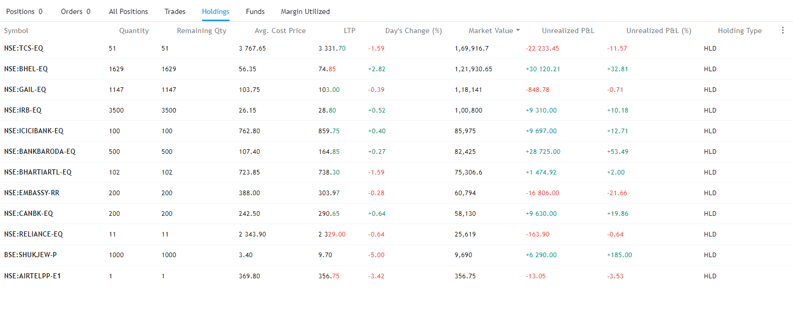

Exchange | Instrument | Qty | Salable | Avg.Cost | Inv .VaL | LTP | Cur.Val | P&L | RPNL | Net Change | DayChange | Npoa Qty | T1Qty | Pledged Qty | T1 Nonpoa
NSE | CANBK-EQ | 199 | 0 | 0 | 62,147.70 | 312 | 62,088.00 | -59.7 | 0 | -0.10% | -0.10% | 199 | 0 | 0 | 0 | 8-Jun-23
NSE | TCS-EQ | 50 | 0 | 0 | 161,822.50 | 3243.35 | 162,167.50 | 345 | 0 | 0.21% | 0.21% | 50 | 0 | 0 | 0 | 8-Jun-23

